ATS
CKU SLEEPWEAR ATS- SHIPS FLATPACKED

BRAND | CAD | PROGRAM | FABRIC CONTENT | STYLE DESCRIPTION | STYLE # | GENERIC ARTICLE | PPK # | COLOR | NRF | S | M | L | XL | TTL UNITS | ppk qty | PPK 6 | MSRP | COO
CALVIN KLEIN |  | Modal Sleepwear | 57% Better Cotton Initiative Cotton, 38% Modal, 5% Elastane | SLEEP SHORT | NP2784O | NP2784L-0PP | UCZ00252-006 | Shoreline | 410 | 400 | 800 | 800 | 400 | 2,400 | 400 | 1-2-2-1 | $49.50 | Bangladesh
CALVIN KLEIN | 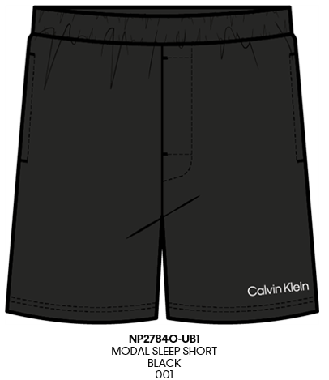 | Modal Sleepwear | 57% Better Cotton Initiative Cotton, 38% Modal, 5% Elastane | SLEEP SHORT | NP2784O | NP2784L-UB1 | UCZ00253-006 | Black | 001 | 580 | 1160 | 1160 | 580 | 3,480 | 580 | 1-2-2-1 | $49.50 | Bangladesh
CALVIN KLEIN |  | Immerge | 60% Better Cotton Initiative Cotton, 40% Polyester | SLEEP SHORT | NP2551O | NP2551L-3OU | UCZ00117-006 | WOLF GREY | 060 | 334 | 668 | 668 | 334 | 2,004 | 334 | 1-2-2-1 | $49.50 | Bangladesh
CALVIN KLEIN | 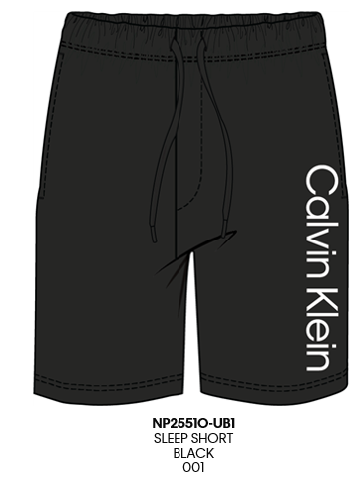 | Immerge | 60% Better Cotton Initiative Cotton, 40% Polyester | SLEEP SHORT | NP2551O | NP2551L-NZ8 | UCZ00118-006 | Driftwood | 031 | 334 | 668 | 668 | 334 | 2,004 | 334 | 1-2-2-1 | $49.50 | Bangladesh
CALVIN KLEIN | 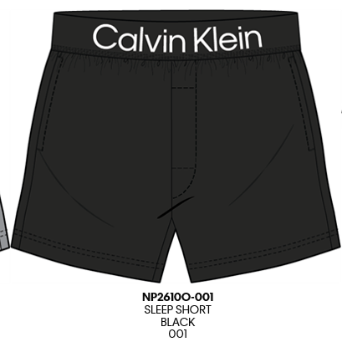 | Bold Logo Sleepwear | 60% Better Cotton Initiative Cotton, 40% Polyester | SLEEP SHORT | NP2610O | NP2610L-001 | UCZ00142-006 | Black | 001 | 334 | 668 | 668 | 334 | 2,004 | 334 | 1-2-2-1 | $49.50 | Bangladesh
CALVIN KLEIN | 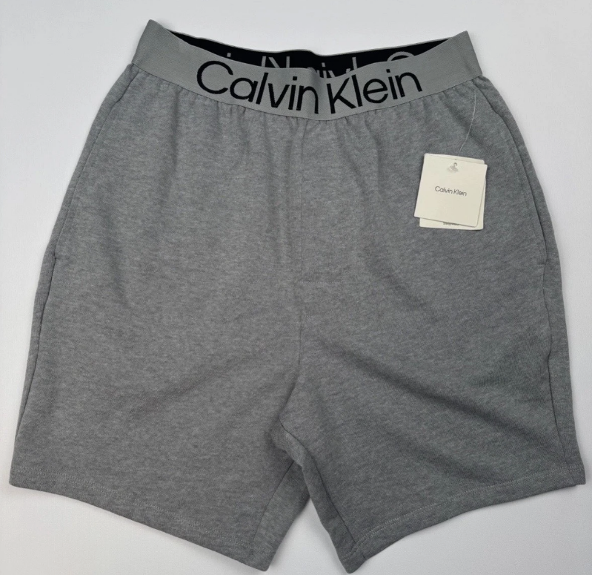 | Bold Logo Sleepwear | 60% Better Cotton Initiative Cotton, 40% Polyester | SLEEP SHORT | NP2610O | NP2610L-3OU | UCZ00143-006 | WOLF GREY | 060 | 600 | 1200 | 1200 | 600 | 3,600 | 600 | 1-2-2-1 | $49.50 | Bangladesh
CALVIN KLEIN | 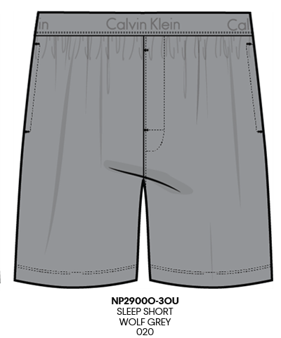 | Pique | 60% Better Cotton Initiative Cotton, 40% Polyester | SLEEP SHORT | NP2900O | NP2900L-3OU | UCZ00458-006 | WOLF GREY | 020 | 334 | 668 | 668 | 334 | 2,004 | 334 | 1-2-2-1 | $49.50 | Bangladesh
CALVIN KLEIN |  | Pique | 60% Better Cotton Initiative Cotton, 40% Polyester | SLEEP SHORT | NP2900O | NP2900L-UB1 | UCZ00459-006 | Black | 001 | 334 | 668 | 668 | 334 | 2,004 | 334 | 1-2-2-1 | $49.50 | Bangladesh
TOTAL CKU |  |  |  |  |  |  |  |  |  |  |  |  |  | 19,500

